PC Termplate Screen
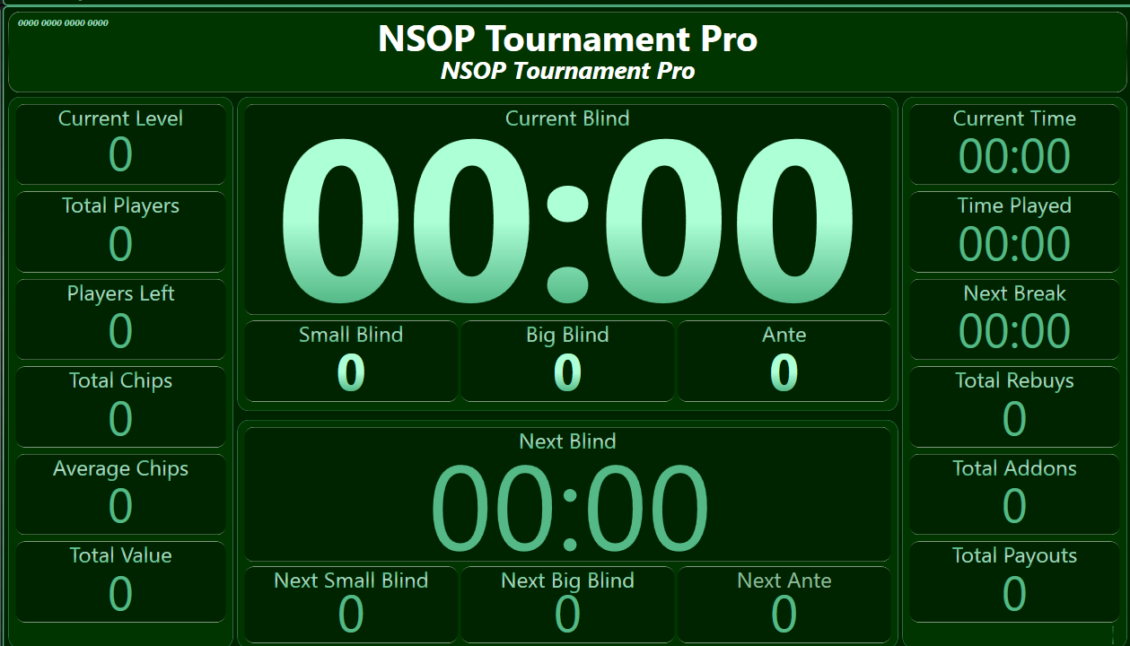
1 | PC Termplate Screen | 3 | 4 | 5 | 6 | 7 | 8 | 9 | 10 | 11 | 12 | 13 | 14 | 15 | 16 | 17 | 18 | 19 | 20 | 21 | 22 | 23 | 24 | 25 | 26
2 |  | TEMPLATE |  |  |  |  |  |  |  |  |  |  |  |  |  |  |  |  |  |  |  |  |  |  |  | Pre Navngitt :
3 |  |  | BORDER |  |  |  |  |  |  |  |  |  |  |  |  |  |  |  |  |  |  |  |  |  |  | Current Level
4 |  |  |  | Width / Height |  |  |  |  |  |  |  |  |  |  |  |  |  |  |  |  |  |  |  |  |  | 0
5 |  |  |  | X & Y Cordinates
6 |  |  |  | Thickness |  |  |  |  |  |  |  |  |  |  |  |  |  |  |  |  |  |  |  |  |  | PUSH SCREEN
7 |  |  |  | Color
8 |  |  |  | Round Corner
9 |  |  |  | Background
10 |  |  | LABLE |  |  |  |  |  |  |  |  |  |  |  |  |  |  |  |  |  |  |  |  |  |  | HEADER
11 |  |  |  | Font Type
12 |  |  |  | Font Color
13 |  |  |  | Bold
14 |  |  |  | Italic
15
 | Script
 | Type |  |  |  | Visible |  | XY | WH | T | C | RC | B
 | Current Level |  |  |  | YES |  | .0,0 | .10/40 | 2 | Red | 12 | BLUE
 | Total Players |  |  |  | YES |  | 0/45 | .10/40 | 2 | Red | 12 | BLUE

